Sheet1
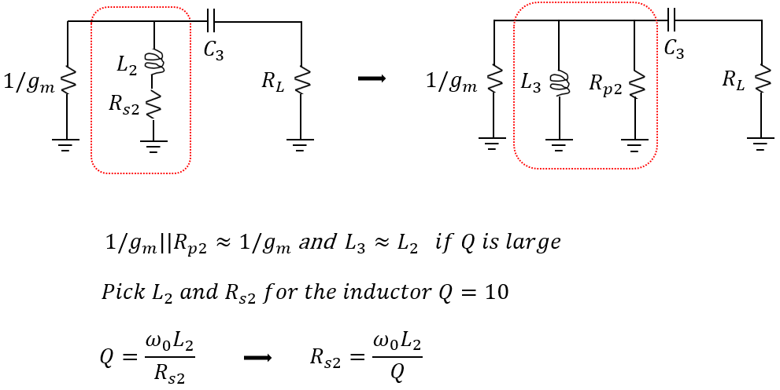
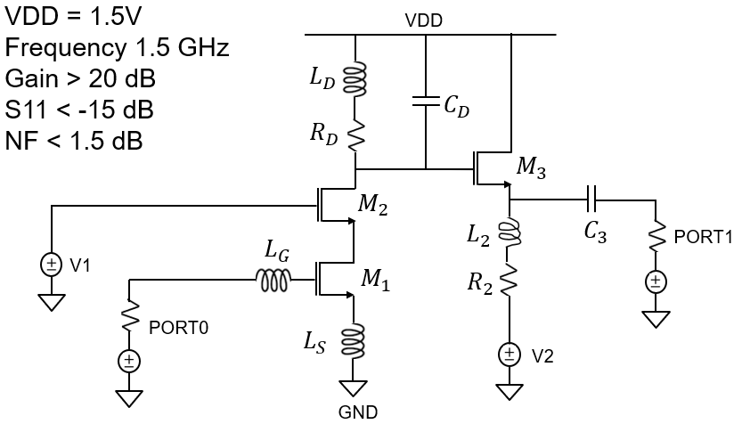
LNA design procedure | 2022-10-18
LNA Design requirement and Transistor data
Av = 20 dB | Av | 10
1.5 GHz | fo | 1.50E+09
2 pi fo | wo | 9.42E+09
Rs = gm Ls / Cgs | Rs | 50
Transistor noise coefficient | g | 3
Cox for nmos2v = 7 fF/um2 | Cox | 7.00E-15
KP = mCox | KP | 3.00E-04
Vdsat = Vgs-Vth | Vdsat | 0.1
Current 2 mA | Id | 1.00E-03
Input port components |  | 2.00E-02 | 20
From gm = 2Id / Vdsat | gm | 2.00E-02 | 20 | ms
From gm = KP W/L Vdsat | W/L | 6.67E+02
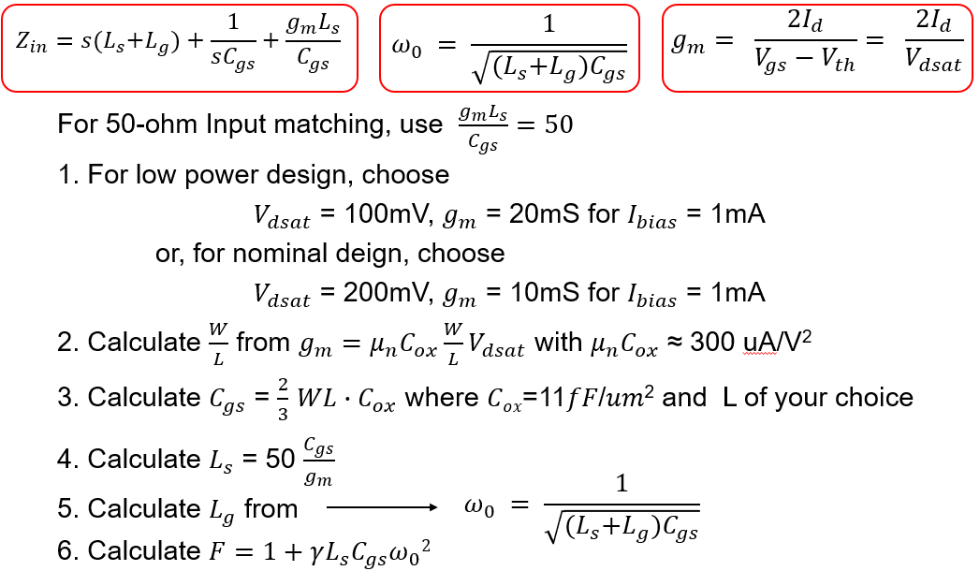
0.25 um for M1 & M2 | L | 0.25 | 0.25 | um
(W/L)*L in um unit | W | 166.66666667 | 166.66666667 | um
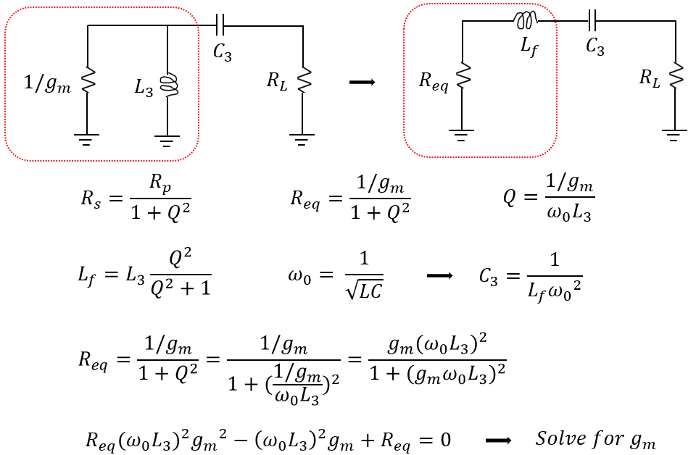
Cgg = WL Cox | Cgg | 2.92E-13
Ls = 50 Cgg / gm | LS | 7.29E-10 | 0.72916666667 | nH
Lg = 1/(wo^2 Cgg) - Ls | LG | 3.79E-08 | 37.869379483 | nH
F = 1 + g Ls Cgg wo^2 | F | 1.06E+00
NF=10 log F in dB | NF | 0.239
Qin = wo(Ls+Lg)/Rs | Qin | 7.28E+00
Load components
Let Load Inductor QL = 5 | QL | 5
Let Load Inductor LD = 6nH | LD | 6.00E-09 | 6 | nH
From QL= (woLD)/RD | RD | 11.309733553 | 11.309733553 | ohms
From wo = 1/sqrt(LD CD) | CD | 1.88E-12 | 1.8763182156 | pF
Output port components
Load impedance | RL | 50
Let the output inductor = 20 nH | L2 | 2.00E-08 | 20 | nH
Let inductor Q2 = 10 | Q2 | 1.00E+01
wo*L2 | woL2 | 1.88E+02 |  | 1. If the S21 max gain point is lower than the target 1.5GHz, reduce CD value
From Q2 = woL2/R2 | R2 | 18.849555922 | 18.849555922 | 2. If the input match (S11) is not good due to low Rs, increase LS because Rs=gm LS / Cgg
Rp2 = R2 (1 + Q2^2) | Rp2 | 1.90E+03
From series to parallel of L2 | L3 | 2.00E-08
(woL)^4 - 4 Req^2*(woL)^2 | b2_4ac | 9.07E+08
 | gm1 | 1.85E-02
 | gm2 | 1.52E-03
Q3 = (1/gm1)/(woL3) | Q3 | 2.87E-01
Lf = L *Q3^2 / (1+Q3^2) | Lf | 1.52E-09
C3 = 1/(Lf wo^2) | C3 | 7.39E-12 | 7.3906984948 | pf

